Name of Competition
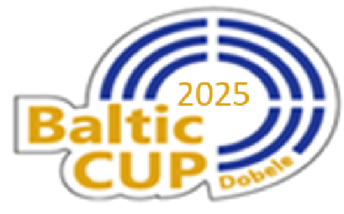

BALTIC CUP 2025

Invitation to International Competition of Rifle and Pistol

19 - 21 September 2025 Dobele, Latvia

